MC model
Customer Value Simulation
Red - Assumptions | Blue - Estimate from Historical Data
 |  |  |  | Caculated using cohort analysis
Month | 1 | 2 | 3 | 4 | 5 | 6 | Assumption: following month
Monthly Retention Rate | 60% | 70% | 80% | 75% | 80% | 80% | 80%

Interest Rate(Yearly) | 5%
Interest Rate(Monthly) | 0.41%
 |  | First month acquiring cost: assuming lognormal distribution, params from past ads performance |  |  |  | Stay or Not: randomly generated basing on monthly retention rate
Acquiring Cost Mean | 130
Acquiring Cost Std | 90
Following costs lower bound | 0 |  | Following costs: assuming uniform distribution |  |  |  |  | Customer leaves at the end of the month
Following costs upper bound | 10
 |  |  |  |  | Cumulative | Adjusted | Profit
Month | Subscription Fee | Costs | Profit | Stay or Not | Retention | Retention | Stream | CLV(NPV) | Customer Life Time(months)
1 | 100 | 179.60229077 | -79.60229077 | 0 | 0 | 1 | -79.60229077 | ($79.28) | 1
2 | 100 | 4.1437321176 | 95.856267882 | 1 | 0 | 0 | 0
3 | 100 | 4.0841037333 | 95.915896267 | 1 | 0 | 0 | 0 | Present value of costomer lifetime value
4 | 100 | 4.8201710474 | 95.179828953 | 1 | 0 | 0 | 0
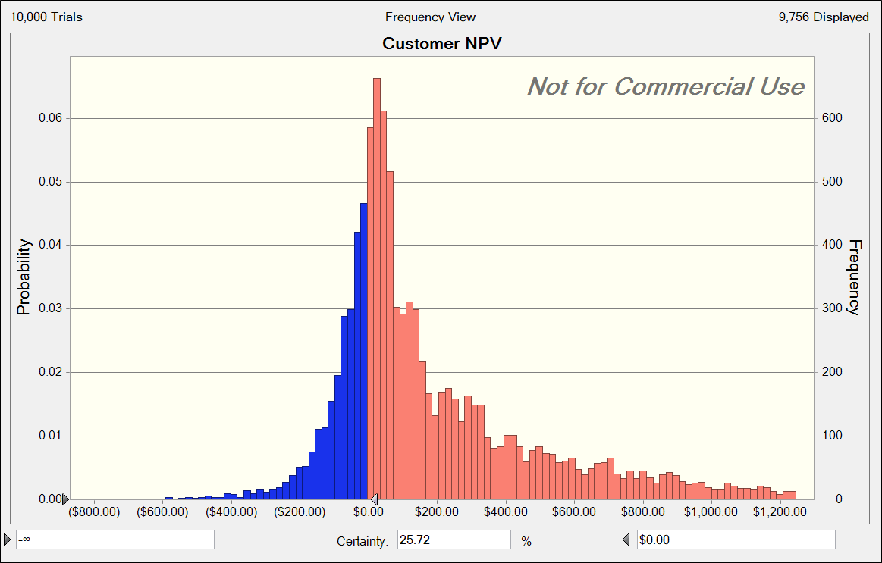
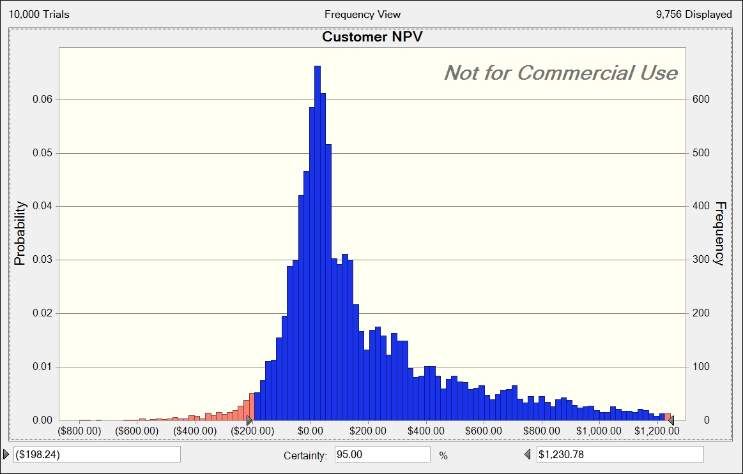
5 | 100 | 2.9616583618 | 97.038341638 | 1 | 0 | 0 | 0
6 | 100 | 8.4315815048 | 91.568418495 | 1 | 0 | 0 | 0
7 | 100 | 5.0005717832 | 94.999428217 | 1 | 0 | 0 | 0
8 | 100 | 3.2975617439 | 96.702438256 | 1 | 0 | 0 | 0
9 | 100 | 0.68832101332 | 99.311678987 | 0 | 0 | 0 | 0
10 | 100 | 1.4959777759 | 98.504022224 | 1 | 0 | 0 | 0
11 | 100 | 9.7529345703 | 90.24706543 | 1 | 0 | 0 | 0
12 | 100 | 1.2981337315 | 98.701866269 | 0 | 0 | 0 | 0
13 | 100 | 8.1537810658 | 91.846218934 | 1 | 0 | 0 | 0
14 | 100 | 3.4459123171 | 96.554087683 | 1 | 0 | 0 | 0
15 | 100 | 8.7924371235 | 91.207562876 | 1 | 0 | 0 | 0
16 | 100 | 5.8717789854 | 94.128221015 | 1 | 0 | 0 | 0
17 | 100 | 5.4227469281 | 94.577253072 | 1 | 0 | 0 | 0
18 | 100 | 8.6017446213 | 91.398255379 | 1 | 0 | 0 | 0
19 | 100 | 8.505998607 | 91.494001393 | 0 | 0 | 0 | 0
20 | 100 | 0.67945048245 | 99.320549518 | 1 | 0 | 0 | 0
21 | 100 | 2.8935711472 | 97.106428853 | 0 | 0 | 0 | 0
22 | 100 | 1.3368492813 | 98.663150719 | 1 | 0 | 0 | 0
23 | 100 | 5.1958121151 | 94.804187885 | 1 | 0 | 0 | 0
24 | 100 | 4.0311338259 | 95.968866174 | 1 | 0 | 0 | 0
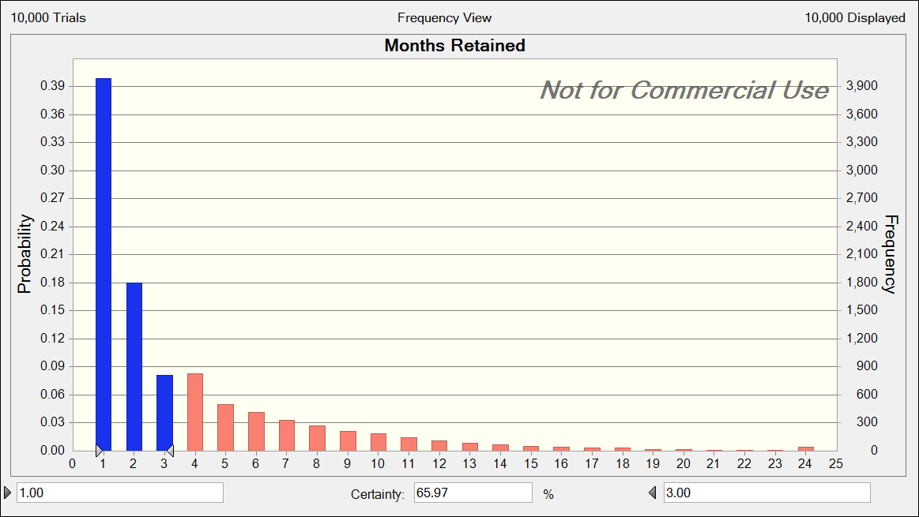
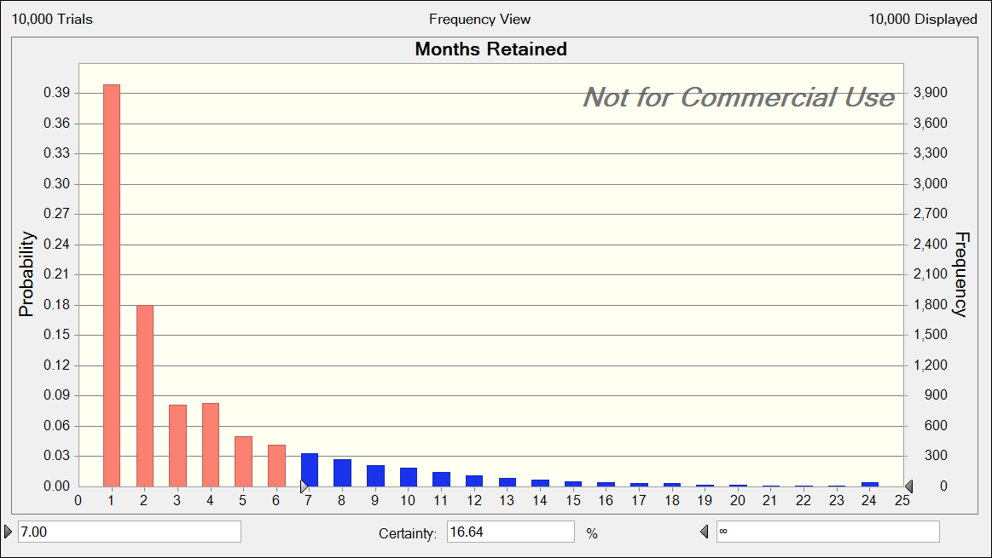
25 | 100 | 4.0774948215 | 95.922505178 | 1 | 0 | 0 | 0
26 | 100 | 1.7974959136 | 98.202504086 | 0 | 0 | 0 | 0
27 | 100 | 7.3178686096 | 92.68213139 | 1 | 0 | 0 | 0
28 | 100 | 4.3050903707 | 95.694909629 | 1 | 0 | 0 | 0
29 | 100 | 8.471443196 | 91.528556804 | 1 | 0 | 0 | 0
30 | 100 | 8.9895806876 | 91.010419312 | 1 | 0 | 0 | 0
31 | 100 | 8.7602315698 | 91.23976843 | 1 | 0 | 0 | 0
32 | 100 | 7.9837912545 | 92.016208746 | 1 | 0 | 0 | 0
33 | 100 | 9.0834642756 | 90.916535724 | 1 | 0 | 0 | 0
34 | 100 | 9.4593220854 | 90.540677915 | 1 | 0 | 0 | 0
35 | 100 | 7.1011937536 | 92.898806246 | 0 | 0 | 0 | 0
36 | 100 | 4.2229480689 | 95.777051931 | 1 | 0 | 0 | 0

